1. Title Page
[Instacart Analysis Basket]

Project Name: Instacart Analysis Basket 13-11-2023
Date: 11-01-2024
Analyst Name: Olusola Olaniyi Alabi

Contents:
Population Flow
Consistency checks
Wrangling steps
Column derivations
Visualizations
Recommendations

Name | Comments | Link
“The Instacart Online Grocery Shopping Dataset 2017”, Accessed from www.instacart.com/datasets/grocery-shopping-2017 via Kaggle on 10/17/2023 | Additional notes: The columns 'prices' and 'products' were added to the original data set for learning purposes of the Career Foundry course. | "www.instacart.com/datasets/grocery-shopping-2017
List of Regions of the United States via Wikipedia | Article used to help group states by Region | https://simple.wikipedia.org/wiki/List_of_regions_of_the_United_States

2. Population Flow
Title page

Population flow

Exclusion flag
Condition: max_order <
Obervations to be removed:
Final total count of order_products_all:

Orders_products_combined
Orders_products_merged
Orders_products_all

Total: 32404859 rows × 15 columns.left_only 0right_only 0Name: count, dtype: int64
Total: 32,434489 rows, 13 columns. left_only 0right_only 0
Name: count, dtype: int64
Total:32404859 rows, 35 columns

1.) The grey boxes in the first row of the population flow represent the original data sets as they were when you downloaded them. In the Total fields you need to add the count of the rows when you imported the data set into Jupyter.
2.) The second row of boxes (coloured) represents the data sets after you manipulated them, e.g., removed missing values and duplicates. In the Total fields you need to add the count of the rows after conducting these operations. This offers a visual oveview of how the data flows throughout the data consistency checks.
3.) The third row, where also the arrows are coloured, represents the merges you performed between the datasets. In the Total fields you need to add the count of the rows in the merged datasets, so that you end up with the final dataset (in the red box). Keep in mind the final dataset should be without exclusions (based on the exclusion flag).

3. Consistency checks
 |  |  |  | Title page
Consistency checks

Dataset | Missing values | Missing values treatment | Duplicates
orders | days_since_prior_order column has 206209 missing values | The presence of missing values in the "days_since_prior_order" column suggests that there are instances where a prior order could not be identified. 206209 is missing values is a large volume of data, that's why it is not safe to delete them. One can address the missing values by filling the value with a meaningful default value. This can be achieved by replacing the missing values with a value that represents the maximum possible time since a prior order. | No duplicates were found
products | 16 missing values found in products_name | To view 16 observations with missing values, dataframe subset was created | 5 rows were found
orders_products_prior | 5,127 NaN Values from prices | Values 14,900 and 99,999 price were marked and to be assumed inaccurate. They were converted to NAN because they were unable to imput values for products. NAN to avoid outliers in the analysis | 0 row was found
customers | First_name has 11,259 null has values | No action required | 0 row was found

4. Wrangling steps
 |  |  |  | Title page
Wrangling steps

Columns dropped | Columns renamed | Columns' type changed | Comment/Reason
user_id |  | Changed to string | It is good for the analysis
eval_set |  |  | eval_set dropped because it is not really relevant to the analysis
order_id |  | Changed to string | It is good for the analysis
order_dow
order_hour_of_day | hour_of_day_ordered |  | renamed to analyse busiest hours of placing order

5. Column derivations
 |  |  |  | Title page

Column derivations and aggregations

In this tab you should add tables below that the frequences of flags/label variables that you produced after deriving them. NB: don't do this for continuous variables, only for flags.
Dataset | New column | Column/s it was derived from | Conditions
Orders | no update needed
Products | no update needed
Orders_products_prior | no update needed
Customers | no update needed
Customers_products_combined | no update needed
Customers_products_merged | price_label | price | if row['prices'] <= 5:if row['prices'] <= 5: return 'Low-range product' elif (row['prices'] > 5) and (row['prices'] <= 15): return 'Mid-range product' elif row['prices'] > 15: return 'High range' else: return 'Not enough data

 | busiest_day | Orders_day_of_week | for value in df_ords_prods_merge["orders_day_of_week"]: if value == 0: result.append("Busiest day") elif value == 4: result.append("Least busy") else: result.append("Regularly busy")
 | busiest_period_of_day | hour_of_day_ordered | for value in df_ords_prods_merge["hour_of_day_ordered"]: if value in [10, 11, 14, 15, 13, 12, 16, 9]: result_3.append("Most orders") elif value in [23, 6, 0, 1, 5, 2, 4, 3]: result_3.append("Fewest orders") else: result_3.append("Average orders")

6. Visualizations
 |  |  |  | Title page

Visualisations

In this tab you should include all the visualtions from Exercises 4.9 and 4.10, alongside the questions from the project brief that they answer. Include any commentary on the relationship between different variables.

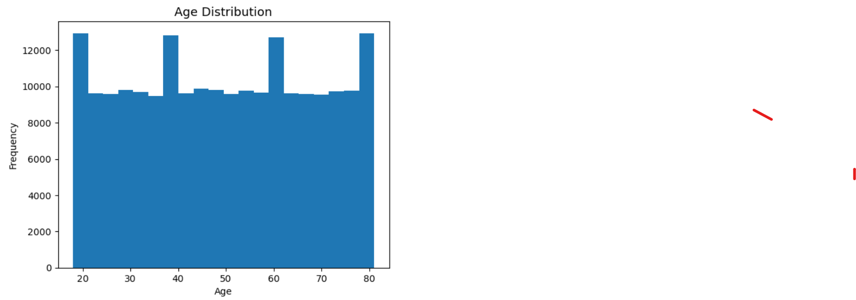
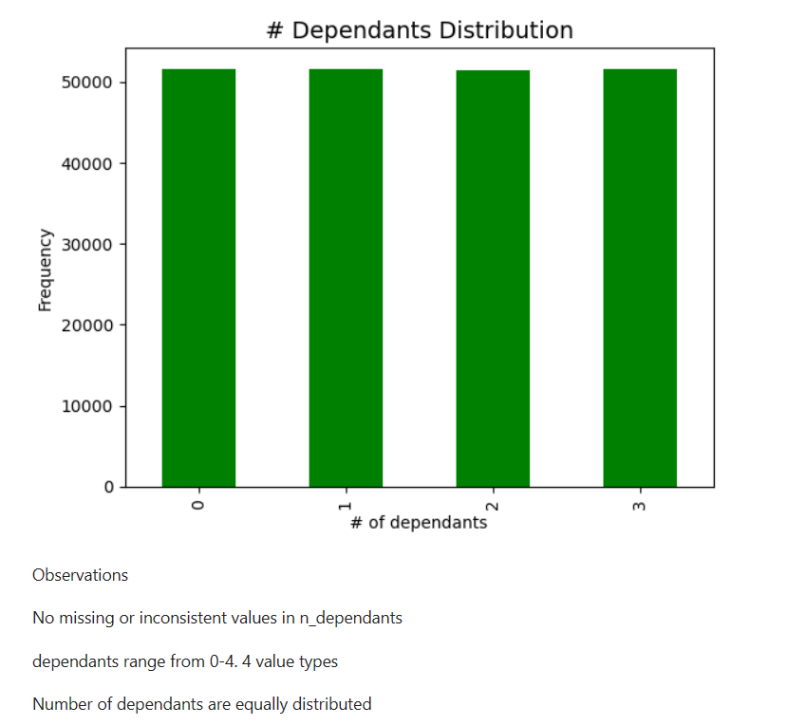

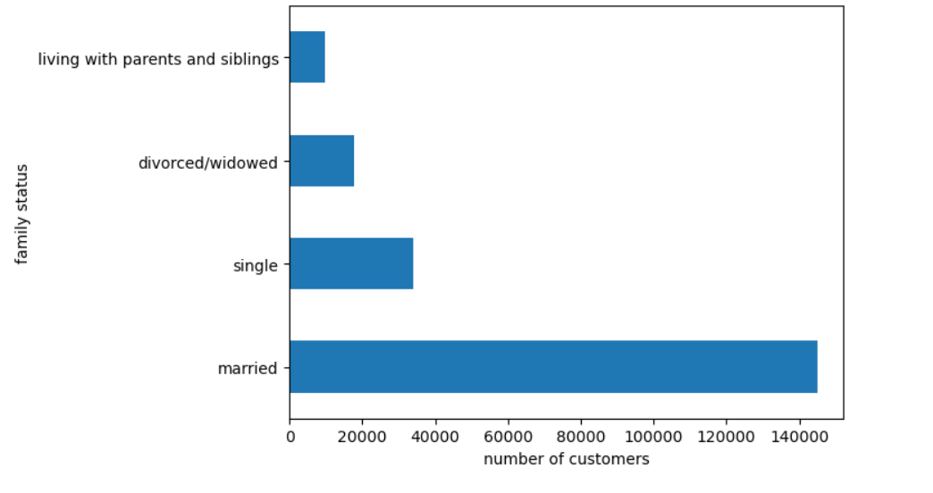
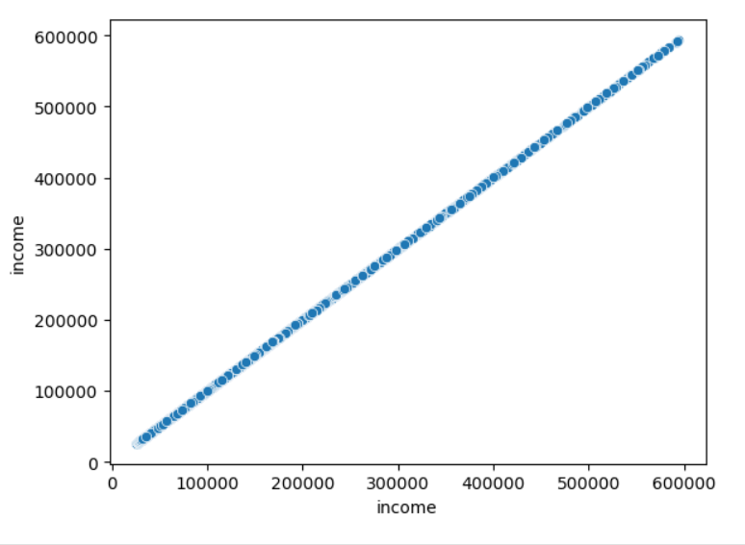

This is a plot chart of distribution of age
No missing values in age
Age min and max appear within expected ranges
Age is distribution appears to have peaks for ages 20, 40, 60 and 80

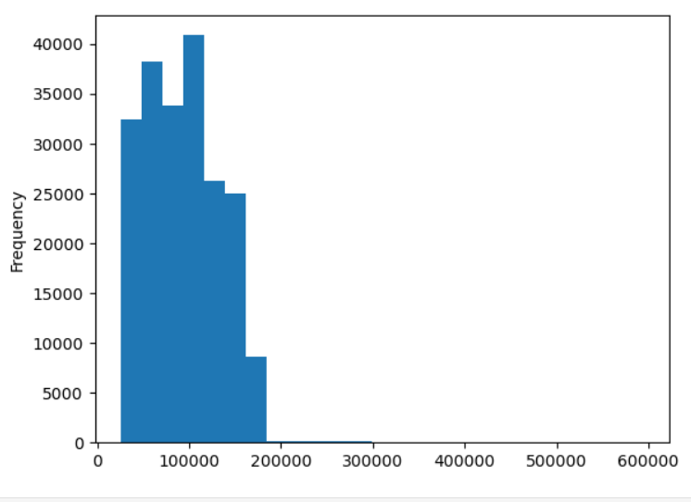
 |  |  |  |  |  |  |  |  | This is plot bar chart distribution of family status

 |  |  |  |  |  |  |  |  |  |  |  | This is scatterplot to identify any outliers in income column

 |  |  | This is plot bar chart dependants distribution

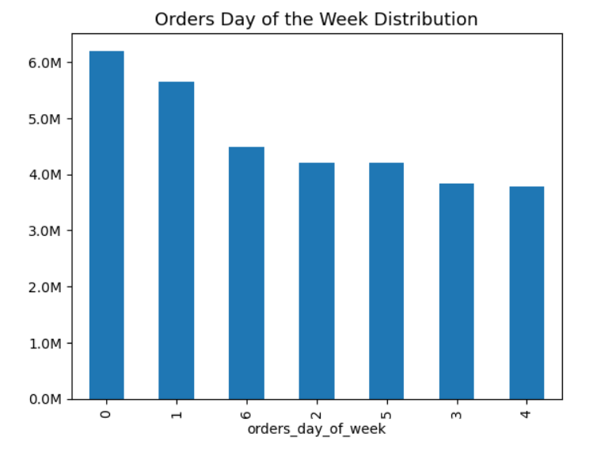
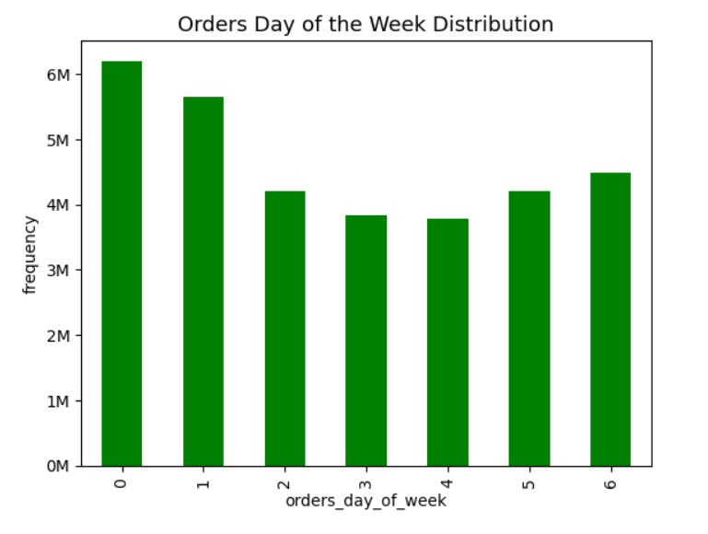
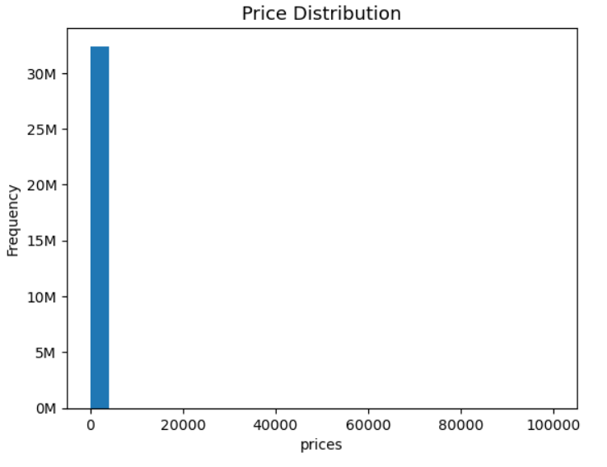
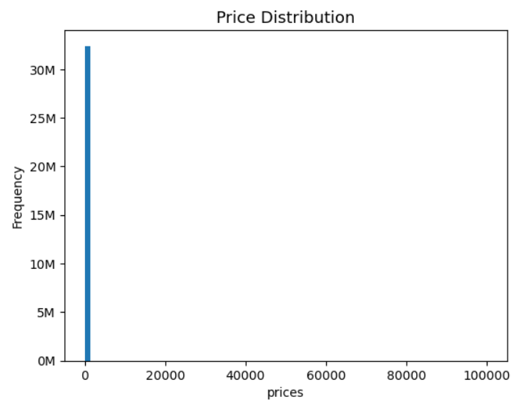

This is plot hist frequency income

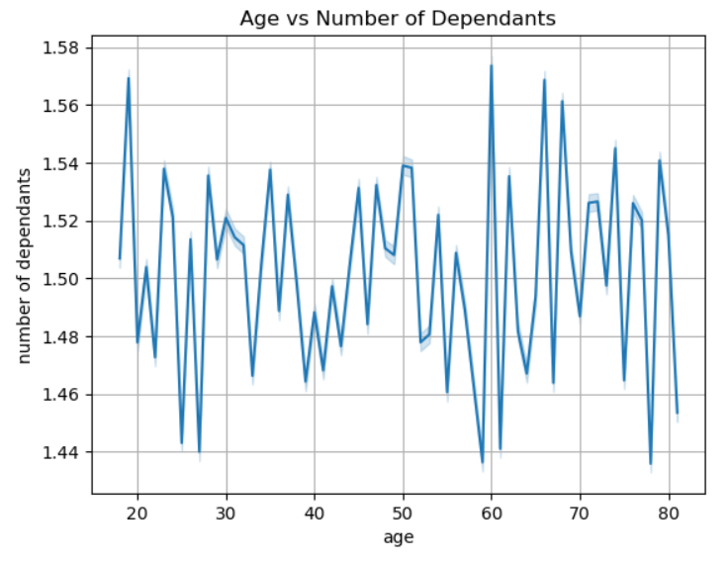
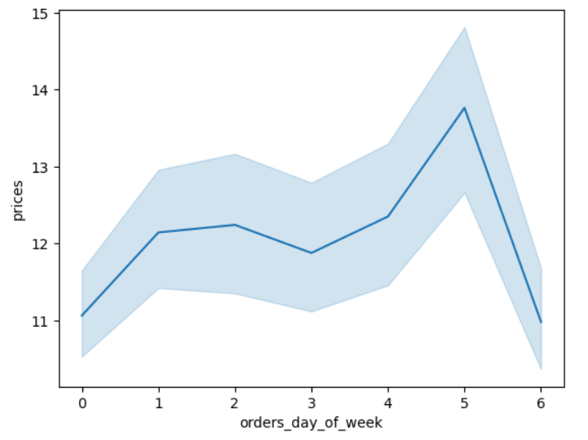
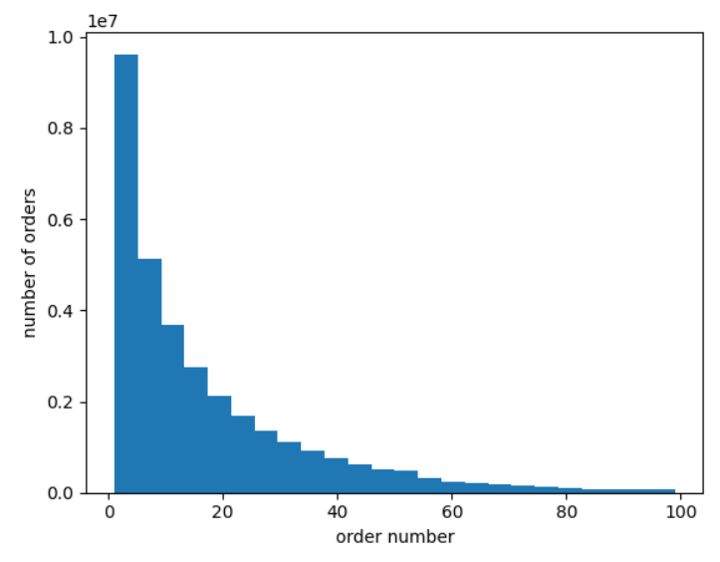
 |  | This is bar chart on orders day of the week value counts distribution |  |  |  | This is bar chart of orders days of the week distribution sorted by orders day of week |  | This is histogram of prices using 25 bins
 |  |  |  |  |  |  |  |  |  |  | This is histogram of pricing using 75 bins
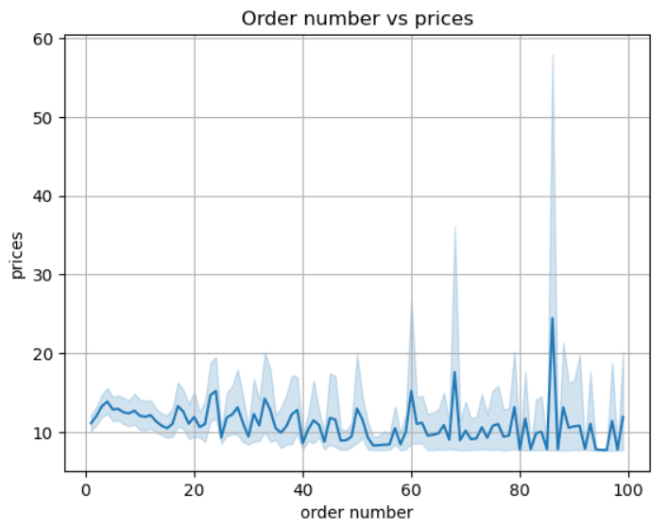
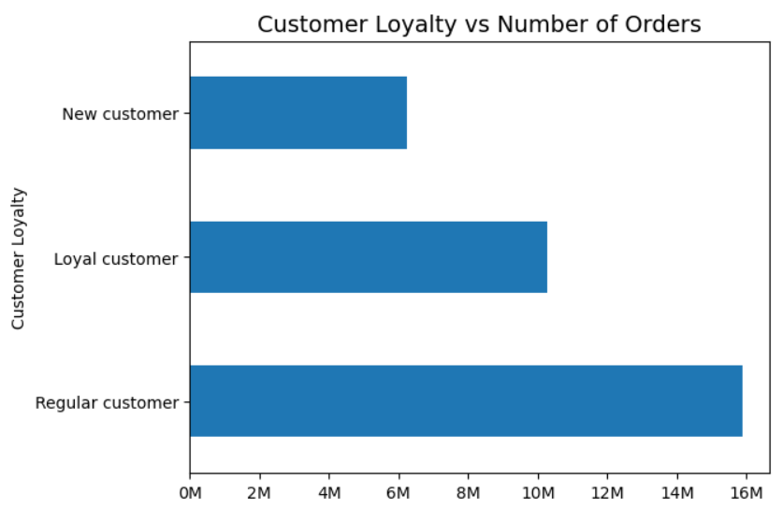

This line graph shows correlation between Age and number of dependants | This line plot shows orders day of week |  |  |  | This plot hist shows order number distribution
Insight: |  |  |  |  |  |  |  |  |  | This horizonal graph shows customer loyalty against number of orders
There is no correlation between age and number of dependants |  |  |  |  |  |  | This line graph shows correlation betwen order number and prices |  |  | Observations:
 |  |  |  |  |  |  |  |  |  | Regular customers made most orders (49%)
 |  |  |  |  |  |  |  |  |  | New customers made the least orders (19%)
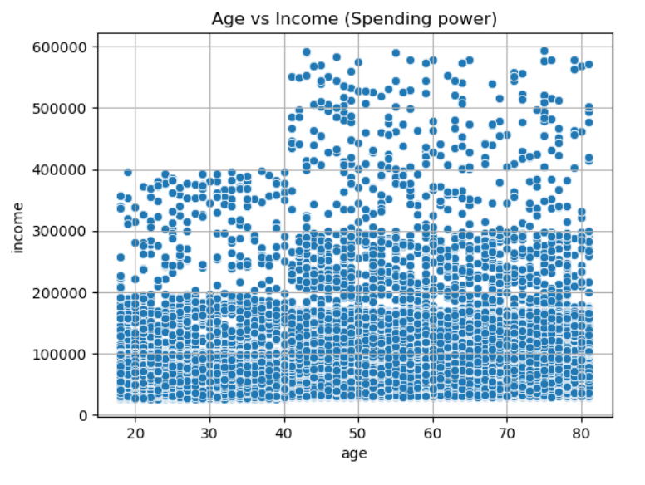
 |  |  |  |  |  |  |  |  |  | Loyalty customers made 32% of orders

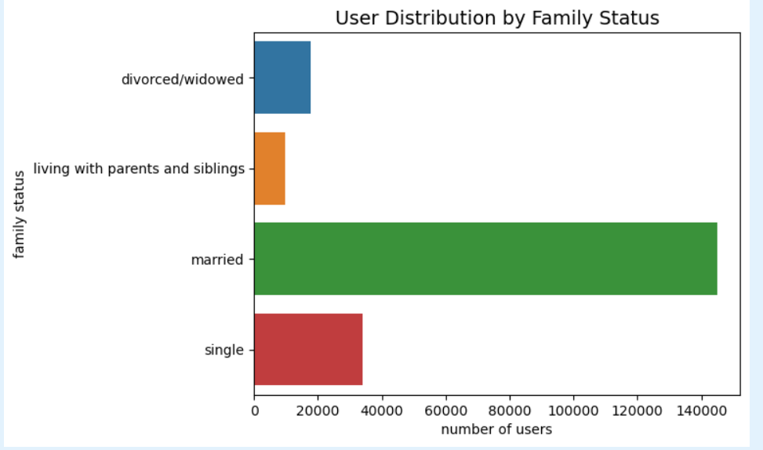

This scatterplot shows correlation between age and income
Insights:
Ages between 18 to 40 have lower spending power compared to above 40 |  | This bar graph shows user distribution based on family status
Customers between 18 and 40 have income less than 400,000. Larger subset of customers have less than 200,000 |  | Insight: Significant number of users are married, followed by single
Customers above 40 surpass 400,000 and earn upto 600,000

7. Recommendations
 |  | Title page

Recommendations

In this tab you should include any recommendations you would made to Instcart in terms of their marketing strategy based on the questions posed in the brief. Every key question has been covered in the Tasks of the Exercises - here you need to add an item - a visualisation or table/crosstable that is showing the answer in the data, acompanied by a comment from you. Please, list the questions below and add the answer underneath.

Question | Answer
1.The sales team needs to know what the busiest days of the week and hours of the day are (i.e., the days and times with the most orders) in order to schedule ads at times when there are fewer orders. | Instacart usually gets busy between 10 am and 3 pm on Saturdays and Sundays. Tuesdays and Wednesdays are the slowest days from midnight to 6 am. I recommend instacart to schedule ads during the hours and days with lower order activity to optimize visibility during periods of reduced competition. They can introduce special promotions, discounts, or incentives during historically less busy hours and days to encourage users to place orders during those times. They can also run targeted marketing campaigns during peak hours to capitalize on the high order frequency.
2. They also want to know whether there are particular times of the day when people spend the most money, as this might inform the type of products they advertise at these times. Are there specific times of the day when users tend to spend the most money on Instacart, and how can this information guide product advertising strategies during those high-spending periods? | Upon analyzing the data, it has been identified that users consistently spend the most money during certain times of the day, particularly during weekends but spend less in midweeks. These peak spending hours are characterized by higher order values and increased purchase frequency. I recommend to focus on advertising high-margin and popular products during peak spending hours and weekends.Tailor promotions and advertisements to align with user spending behavior during specific times of the day or weekend. Introduce flash sales or limited-time offers during peak spending hours and weekends to create a sense of urgency and incentivize immediate purchases.
3. Instacart has a lot of products with different price tags. Marketing and sales want to use simpler price range groupings to help direct their efforts. How can Instacart simplify the diverse range of product prices into meaningful and manageable price range groupings to facilitate targeted marketing and sales efforts? | Instacart can simplify the product prices by categorizing them into distinct price range groups, creating a more straightforward and understandable pricing structure. For example, the following price range groupings can be considered: Low Range: Products priced below $5. Mid Range: Products priced between $5 and $20. High Range: Products priced between $20 and $50. Premium Range: Products priced above $100. Recommendation: Clearly communicate the defined price range groups to both customers and internal teams.Implement promotions and discounts that align with each price range group. For example, offer percentage discounts for products in the Low and Mid Ranges, while exploring exclusive offers or bundled deals for Premium Range products. Showcase featured products from each price range group on the Instacart platform.
4. Are there certain types of products that are more popular than others? The marketing and sales teams want to know which departments have the highest frequency of product orders. | Analyzing the order frequency across different departments reveals insights into the popularity of product categories. Departments such as "Produce," "Dairy & Eggs," and "Snacks" tend to have a high frequency of orders. Some departments may experience higher order frequencies during specific seasons. For instance, "Seasonal Products" or "Holiday Specials" might see increased popularity during festive periods. I recommend Instacart team to set up promotion strategies, cross-selling opportunities, customer segmentation, dynamic merchandising, data driving insights, collaboration with suppliers.
5. The marketing and sales teams are particularly interested in the different types of customers in their system and how their ordering behaviors differ. For example: What’s the distribution among users in regards to their brand loyalty (i.e., how often do they return to Instacart)? | Analyzing user data reveals diverse patterns of brand loyalty and ordering behaviors among Instacart users: The frequent Shoppers demonstrates high brand loyalty by making frequent and consistent purchases on Instacart. These users may order multiple times within a short period, indicating a strong preference for the platform. A. If the median of “days_since_prior_order” is higher than 20, then the customer should be labeled a “Non-frequent customer.” B. If the median is higher than 10 and lower than or equal to 20, then the customer should be labeled a “Regular customer.” C. If the median is lower than or equal to 10, then the customer should be labeled a “Frequent customer.” I recommend customise segmentation, personalised promotions, retention campaigns, Enhance the onboarding experience for first-time users by providing helpful guides, tutorials, and incentives for their initial orders.
6. Is there a connection between age and family status in terms of ordering habits? | In terms of ordering habits, age and family status don't really have connection. However, high significant number of users are married people, followed by single people. Ages living with parents or siblings have low instacart orderings. Divorced and widowed orderings are little bit higher than ages living with parents. Ages between 18 to 40 have lower spending power compared to above 40. Recommendation:Conduct segmentation analysis to categorize users based on age groups and family status. Create targeted promotions, discounts, and product recommendations that align with the needs and preferences of different age and family groups. Understanding the connection between age, family status, and ordering habits provides valuable insights for Instacart to refine its marketing strategies, optimize the user experience, and effectively cater to the diverse preferences of its user base.
7. Are there differences in ordering habits based on a customer’s loyalty status? | Yes, there are significant differences in ordering habits based on customer loyalty status because loyal customers don't the most instacart orders. Regular customers made most orders (49%), Loyalty customers made 32% of orders,Loyalty customers made 32% of orders.
 | I would recommend loyalty program enhancements, reactivation campaigns, subscribtion services. Tailor communication strategies to communicate the benefits of loyalty across user segments

